Example
 |  | Delta Issue Date: 09202023 | DOC Rev:01
PCN NO : xxxx
Issue by : xxxx
Check items | Before | After | remark
Vendor P/N | STF24N60DM2 | No Change
Frontend location | ST Own Country: Salt Lake, US | Subcon TSMC Country: Hsinchu, Taiwan
Backend location | ST Own Country: Cebu, Philipines | ST Own Country: Shenzhen,China
Die Size | 1489.40 x 1768.80 um | No Change
Die Attach | Material: Pb solder(Pb/Ag) Supplier: Heraeus Product name: PB92.5,SN5AG2.5 | Material: Pb-Free solder Supplier: No Change Product name: SN80/AG20
Lead Frame | Material: Cu Alloy + Ag plating Supplier: SHINWON Product name: IDF 40u | Material: No Change Supplier: SDI Product name: CP2-3G
Package dimenision | Refer to Data sheet | No Change | Refer package comparison data
Parameter (each) | Refer to Data sheet | No Change
Data sheet | Refer to ST Web version http://www.st.com/web/en/home.html | No Change
Application Notes | Refer to ST Web version http://www.st.com/web/en/home.html | No Change
Bonding Wire(wire size) | Source wire: 8 mil *5 , Gate: 2 mil *1 | No Change
Bonding material/technologiz | Bonding material :Source wire(Al) , Gate(Cu) technologiz: Wire bond Supplier: Heraeus | No Change
Molding Compound | Supplier: Sumitomo Product name: G600FB | No Change
Molding Compound Meet UL-V0 Requirement? | Yes,meet UL 94 V-0 | No Change
Plating | Material: Electroloy tin 99.99% Supplier: Anodes | No Change
Saftey Licence | E52859 (for Molding Compound UL 94V-0) | No Change
Saftey model name | NA | NA
Label | 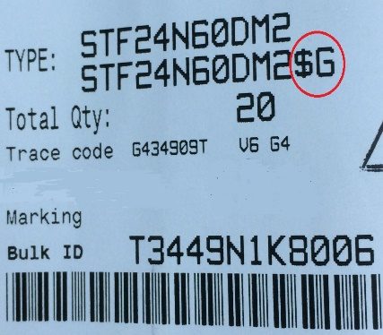 Finished-good code ends with a G | Finished-good code ends with a F
Body marking | 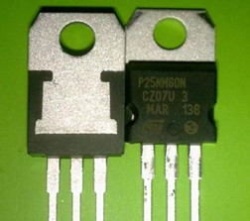 Assy plant code: GK | Assy plant code: GE
Cutting Date code | NA | Implement after Delta Approval | Original implement schedule: Oct. 1st, 2014

 |  |  | Rev02 2015/08/18

